1. Title Page
Grocery Basket Analysis

Project Name: Instacart Grocery Basket Analysis
Date: 19/09/2023
Analyst Name: Jaco du Toit

Contents:
Population Flow
Consistency checks
Wrangling steps
Column derivations
Visualizations
Recommendations

2. Population Flow
Title page

Population flow

Exclusion flag
Condition: max_order < 5
Obervations to be removed: 1,440,295
Final total count of order_products_all: 30,964,564

Orders_products_combined
Orders_products_merged
Orders_products_all

Total: 32,404,859
Total: 32,434,489
Total: 30,964,564

1.) The grey boxes in the first row of the population flow represent the original data sets as they were when you downloaded them. In the Total fields you need to add the count of the rows when you imported the data set into Jupyter.
2.) The second row of boxes (coloured) represents the data sets after you manipulated them, e.g., removed missing values and duplicates. In the Total fields you need to add the count of the rows after conducting these operations. This offers a visual oveview of how the data flows throughout the data consistency checks.
3.) The third row, where also the arrows are coloured, represents the merges you performed between the datasets. In the Total fields you need to add the count of the rows in the merged datasets, so that you end up with the final dataset (in the red box). Keep in mind the final dataset should be without exclusions (based on the exclusion flag).

3. Consistency checks
 |  |  |  | Title page
Consistency checks

Dataset | Missing values | Missing values treatment | Duplicates
orders | 206,209 missing values in days_since_prior_order column | Order number of all these customers were no 1, so no action taken. | No duplicates found
products | 16 missing values | Dropped all missing values | 5 duplicates found, which were dropped
orders_products_prior | No missing values found | No action needed | No duplicates found
customers | 11,259 missing first names | No action taken as it will not affect our analysis | No duplicates found

4. Wrangling steps
 |  |  |  | Title page
Wrangling steps

Columns dropped | Columns renamed | Columns' type changed | Comment/Reason
eval_set |  |  | Did not need column
 | First Name to first_name |  | To keep all columns in uniform
 | Surnam to last_name |  | To keep all columns in uniform
 | Gender to gender |  | To keep all columns in uniform
 | Age to age |  | To keep all columns in uniform
 | STATE to state |  | To keep all columns in uniform
 | n_dependants to number_of_dependants |  | To keep all columns in uniform
 | fam_status to marital_status |  | To keep all columns in uniform
 | order_dow to orders_day_of_week
 |  | user_id | changed type to string
 |  | order_id | changed type to string
 |  | first_name | had mixed data, changed to string

5. Column derivations
 |  |  |  | Title page

Column derivations and aggregations

In this tab you should add tables below that the frequences of flags/label variables that you produced after deriving them. NB: don't do this for continuous variables, only for flags.
Dataset | New column | Column/s it was derived from | Conditions
df_ords_prods_merged.pkl | price_range | prices | if prices <= 5, then 'Low-range product'. If prices >5 and <=15, then 'Mid-range product'. If prices >15, then 'High-range product'.
df_ords_prods_merged.pkl | busiest_day | orders_day_of_week | if value ==0: result.append ('Busiest day'). Elif value ==4: result.append ('Least busy'). Else: result.append ('Regular busy')
df_ords_prods_merged.pkl | busiest_days | orders_day_of_week | if value ==0 or value ==1: result_new.append('Busiest days'). Elifvalue ==4 or value ==3: result_new.append ('Least busy days'). Else: result_new.append ('Regularly days')
df_ords_prods_merged.pkl | busiest_period_of_day | order_hour_of_day | if value in [10, 11, 14, 15, 13, 12, 16, 9]: period_of_time.append('Most orders'). Elif value in [23, 6, 0, 1, 5, 2, 4, 3]: period_of_time.append ('Fewest orders'). Else: period_of_time.append ('Average prders')
ords_prods_merge | max_order | user_id and order_number | Groupby function
ords_prods_merge | loyalty_flag | max_order | If max_order >40 = 'Loyal customer'. If max_order <= 40 & >10 = 'Regular customer'. If max_order <=10 = 'New customer'.
ords_prods_merge | spending_flag | average_price | if ave price is <10 then 'low spender'. If ave price is >= then 'high spender'.
instacart | region | state | "Northeast": ['Maine', 'New Hampshire', 'Vermont', 'Massachusetts', 'Rhode Island', 'Connecticut', 'New York', 'Pennsylvania', 'New Jersey'] "Midwest" : ['Wisconsin', 'Michigan', 'Illinois', 'Indiana', 'Ohio', 'North Dakota', 'South Dakota', 'Nebraska', 'Kansas', 'Minnesota', 'Iowa', 'Missouri'] "South": ['Delaware', 'Maryland', 'District of Columbia', 'Virginia', 'West Virginia', 'North Carolina', 'South Carolina', 'Georgia', 'Florida', 'Kentucky', 'Tennessee', 'Mississippi', 'Alabama', 'Oklahoma', 'Texas', 'Arkansas', 'Louisiana'] "West": ['Idaho', 'Montana', 'Wyoming', 'Nevada', 'Utah', 'Colorado', 'Arizona', 'New Mexico', 'Alaska', 'Washington', 'Oregon', 'California', 'Hawaii']
instacart | customer_activity | max_order | if [max_order] >= 5, then 'Highly active'. If [max_order] <5, then 'Lowly active'
df | age_group | age | if age < 20 then 'Youngest'. If age >=20 & <40, then 'Young adult'. If age >=40 & <60, then 'Middle age'. If age >=60 & <80 then 'Elderly'. If age >=80, then 'Oldest'.
df | income_group | income | if income < 5000 then 'Lower income'. If income >=5000 & <=120000, then 'Middle income'. If income >120000, then 'Higher income'.
df_merged | family_status_flag | marital_status | if family_status is divorced/widowed, living with parents and siblings, single & number of dependants =0, then flag is 'Single with No dependants'. If depandants >=1, then 'Single with dependants'. If family_status is maried & dependants ==1, then flag = 'Married with No dependants. If dependants >1, the flag is 'Maried with dependants'.

6. Visualizations
 |  |  |  |  | Title page

Visualisations

In this tab you should include all the visualtions from Exercises 4.9 and 4.10, alongside the questions from the project brief that they answer. Include any commentary on the relationship between different variables.

The sales team needs to know what the busiest days of the week and hours of the day are (i.e., the days and times with the most orders) in order to schedule ads at times when there are fewer orders.

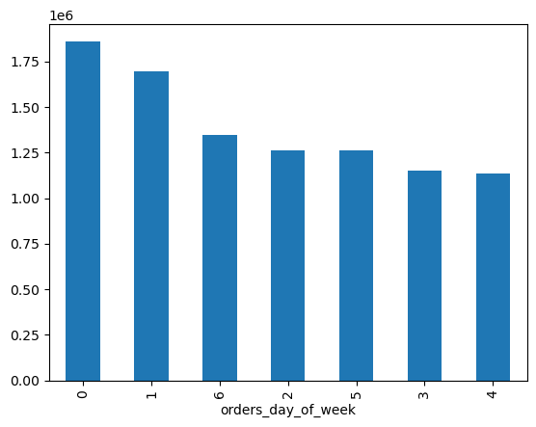
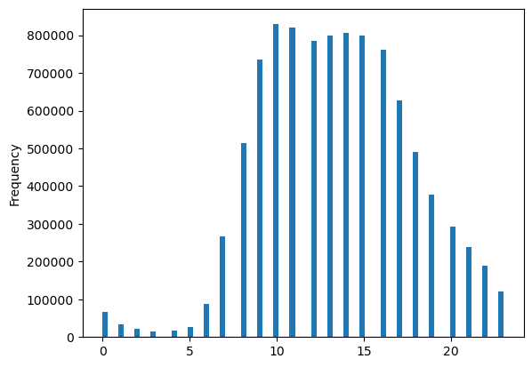
 |  | Days Of Week

 |  | 0 - Saturday
 |  | 1 - Sunday
 |  | 2 - Monday
 |  | 3 - Tuesday
 |  | 4 - Wednesday
 |  | 5 - Thursday
 |  | 6 - Friday

The bussiest days of the week are on weekends, Saturdays and Sundays when most orders were placed. |  |  |  |  | Histogram shows the frequency of shoppers through out the day. It starts getting really busy around
The least busy days are middle of the week, Tuesdays and Wednesdays. |  |  |  |  | 09:00 and continues until 16:00. It slowly dies down and from 00:00 - 06:00 it's dead quiet.

They also want to know whether there are particular times of the day when people spend the most money, as this might inform the type of products they advertise at these times.

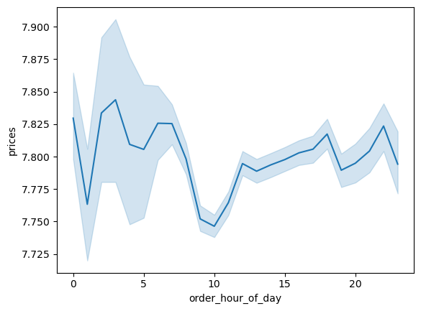

 | Around 10:00, which is peak hour, people tend to spend the least amount of money per item.
 | The rest of the day is fairly even with a couple of small dips and spikes through out.

Instacart has a lot of products with different price tags. Marketing and sales want to use simpler price range groupings to help direct their efforts.

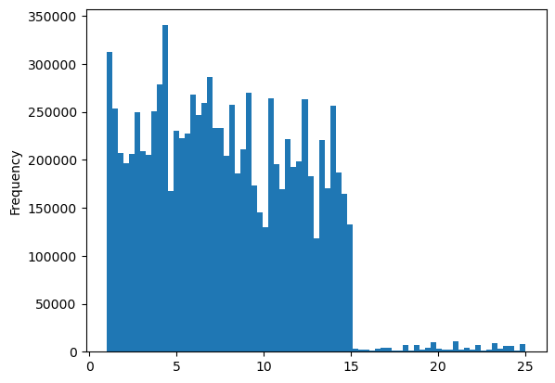

 |  |  |  | Frequency Of Order Prices

The vast majority of prices range from around $1 - $15.
Products ranging from $16 - $25 have by far the lowest frequency of orders.
I found some outliers that went up all the way to $99,999, but the were all excluded. Clearly mistakes.

Are there certain types of products that are more popular than others? The marketing and sales teams want to know which departments have the highest frequency of product orders.

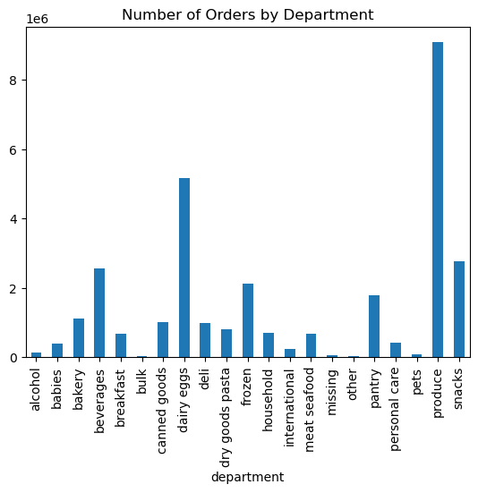

Produce have the highest frequency of orders in general, followed by dairy/eggs and then snacks.
Bulk goods, pets and products listed as other have the lowest frequency of orders each day.

The marketing and sales teams are particularly interested in the different types of customers in their system and how their ordering behaviors differ. For example:

A - What’s the distribution among users in regards to their brand loyalty? |  |  | Are there differences in ordering habits based on a customer’s loyalty status?

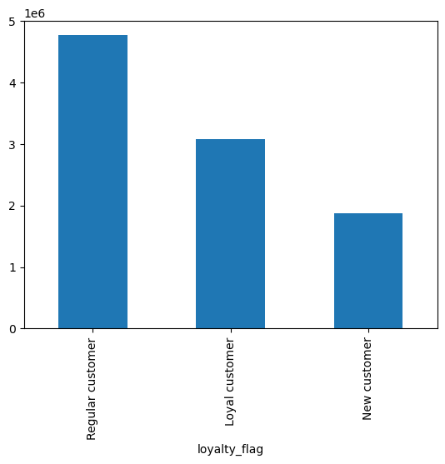

Regular customers tend to spend the most per order, on ave over $40.
Loyal customers spend between $10 - $40 on average each time they return.
New customers spend less than $10 on average each time.

B - Are there differences in ordering habits based on a customer’s region? |  |  | What different classifications does the demographic information suggest?

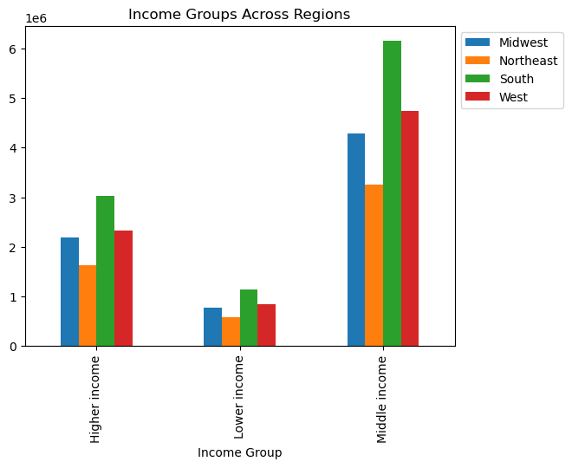
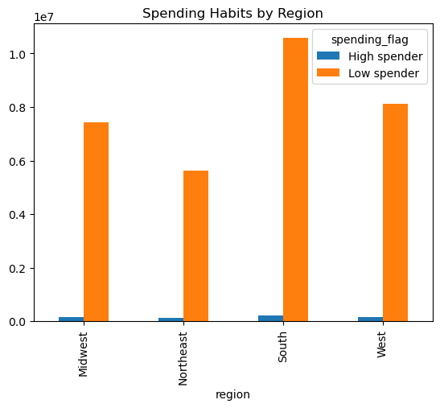

People in the South tend to have a higher income on average than the rest of the country. They also lead the statistics in high spenders and low spenders.
The reverse can be said for people living in the Northeast. They have the lowest income on average in the country and also spend the least amount of money shopping.
The Midwest and West fall in the middle and have similar incomes and spending habbits.

C - Is there a connection between age and family status in terms of ordering habits?

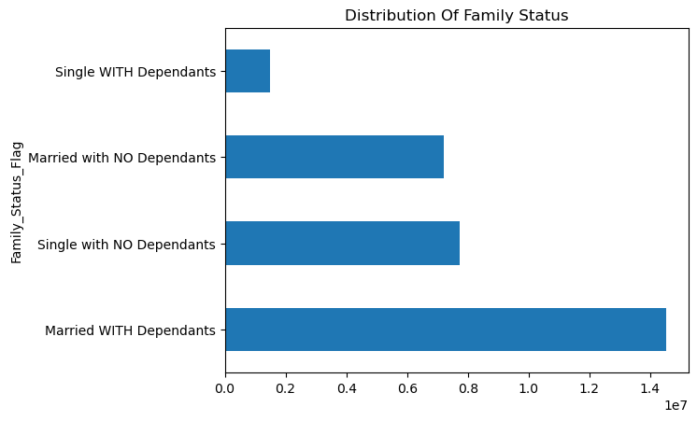

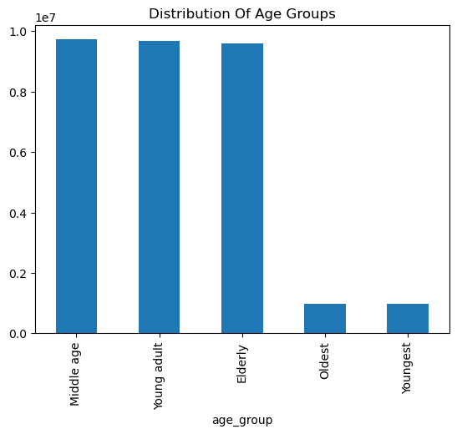

 |  |  |  |  |  | Legend
 |  |  |  |  |  | 20-year age groups

The bar chart above and the one below show that the vast majority of Instacart's customers |  |  | The vast majority of Instacart's customers are made up of people between the ages of 20 - 80.
are married and with children. They also tend to be thi biggest spenders and favour |  |  | These are also the people that spend the most amount of money shopping.
produce and dairy/eggs; products tippically most needed as a family. |  |  | As before, produce and dairy/eggs are the biggest sellers among them.
On the opposite side, single people with no dependants do not spend that much on shopping
20-year age groups+X298

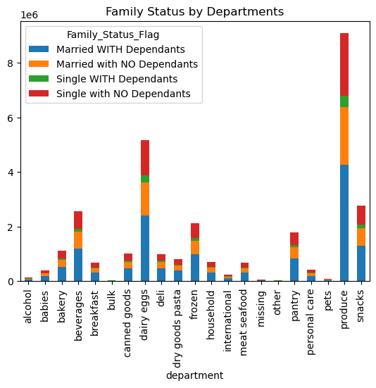
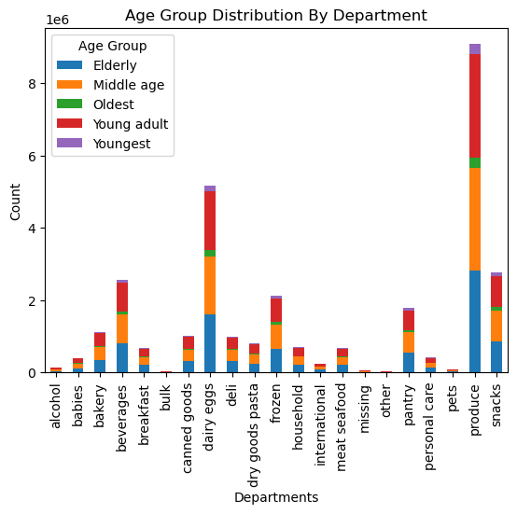

In conclusion, the four charts above clearly show the biggest seller and people spending the most. Biggest spenders are people ages 20 - 80. Biggest spenders
are also married couples with children and tippically these two groups go hand in hand. So it's safe to say that people between the ages of 20 - 80 are more often than
not also married and have children. They tend to order more products associated with being a family.

D - What differences can you find in ordering habits of different customer profiles?

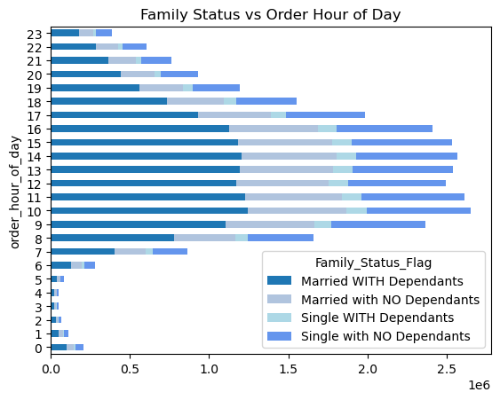
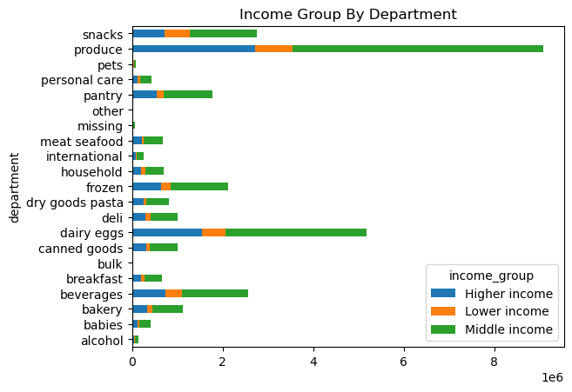

 |  |  |  |  | People in the 'Middle Income' bracket tend to buy more produce and dairy/eggs than the other two groups.
Married couples with children mostly order their products during regular working hours, |  |  |  |  | People in the 'Lower Income' bracket also tend to spend the least amount of money shopping and very little
as do most other groups. There are no real differences as most people work during the day |  |  |  |  | or almost nothing on most products.
and sleep during the night.



The above scatterplot shows that the older people get, the more spending power they have.

7. Recommendations
 |  | Title page

Recommendations

In this tab you should include any recommendations you would made to Instcart in terms of their marketing strategy based on the questions posed in the brief. Every key question has been covered in the Tasks of the Exercises - here you need to add an item - a visualisation or table/crosstable that is showing the answer in the data, acompanied by a comment from you. Please, list the questions below and add the answer underneath.

1. The sales team needs to know what the busiest days of the week and hours of the day are?

Observation: | The bussiest days of the week are weekends, Saturdays and Sundays. The least busy days are Tuesdays and Wednesdays. The daily busy times are tippically from 09:00 - 16:00. It slowly dies down until 23:00 and from 00:00 - 06:00 it is dead quiet.

Recommendation: | It would be pointless to run ads during the night time when the majority of people are sleeping, so I would recommend running targeted ads during peak hours. Most people shop then, thus ensuring the most visibility.
 | To attrack more customers for the off-peak times and days, consider running ads that offer discounts and incentives for those periods.

2. They also want to know whether there are particular times of the day when people spend the most money, as this might inform the type of products they advertise at these times.

Observation: | Around 10:00, which is peak hour, people tend to spend the least amount of money per item. | The rest of the day is fairly even with a couple of small dips and spikes through out.

Recommendation: | The differences in the amount of money people spent per item on average throughout the day is not very much at all. Instacart can run targeted ads, but it would be a waste of money. I do not recommend any action.

3. Instacart has a lot of products with different price tags. Marketing and sales want to use simpler price range groupings to help direct their efforts.

Observation: | The vast majority of prices range from around $1 - $15. Products ranging from $16 - $25 have by far the lowest frequency of orders.

Recommendation: | The majority of the products are in the mid-range group, $5 - $15. $1 - $5 is low-range and above $15 is high range. Focus on selling more high-range products by running targeted ads or promotional offers.
 | It will be difficult to group all items based on price range, because the groups will be made up of very different items. So advertising a price range group could get confusing, unless thy give discount on all products in a certain price range.

4. Are there certain types of products that are more popular than others? The marketing and sales teams want to know which departments have the highest frequency of product orders.

Observation: | Produce is by far the most popular department among all ages and family status groups, followed by dairy/eggs and snacks.

Recommendation: | Expanding the best-selling department would be my recommendation. Offer bigger varieties and more options and increase advertising in that department.

5. What’s the distribution among users in regards to their brand loyalty? Are there differences in ordering habits based on a customer’s loyalty status?

Observation: | Regular customers tend to spend the most per order, on average over $40. Loyal customers spend between $10 - $40 on average each time they return. New customers spend less than $10 on average each time.

Recommendation: | Offer more incentives for loyal customers to reward them and offer promotional offers for new customers to attract them. Once a new customer sees what perks being a loyal customer gets you, it should increase their shopping.

6. Are there differences in ordering habits based on a customer’s region? What different classifications does the demographic information suggest?

Observation: | People in the South tend to have a higher income on average than the rest of the country. They also lead the statistics in high spenders and low spenders.
 | The reverse can be said for people living in the Northeast. They have the lowest income on average in the country and also spend the least amount of money shopping.
 | The Midwest and West fall in the middle and have similar incomes and spending habbits.

Recommendation: | Increase ads and promotions in the Northeast to get the area up to the same level as the rest of the country. Offer them more incentives and discounts.

7. What differences can you find in ordering habits of different customer profiles?

Observation: | Married couples with children mostly order their products during regular working hours, as do most other groups. There are no real differences as most people work during the day and sleep during the night.
 | People in the 'Middle Income' bracket tend to buy more produce and dairy/eggs than the other two groups. People in the 'Lower Income' bracket also tend to spend the least amount of money shopping and very little or almost nothing on most products.
 | And finally, the older people get, the more spending power they have.

Recommendation: | Offer discounts to people in the 'Lower Income' bracket as they spend almost no money compared to the rest. Give them a reason to want to shop. Vouchers sent directly to their homes would be a good way to start.
 | Target the older people with products specifically made for them. They are the ones with the most spending power.
 | Target married couples with kids with promotions and discounts about everyday products they would need as a family.

